INSTRUCTIONS
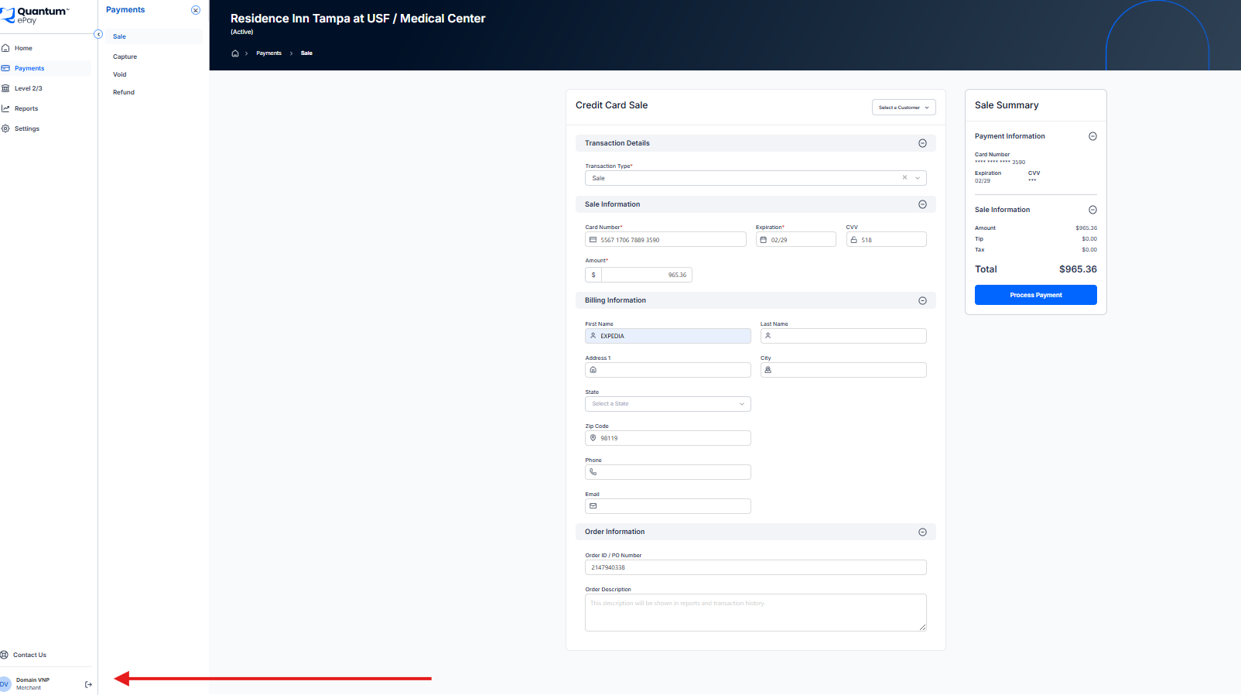
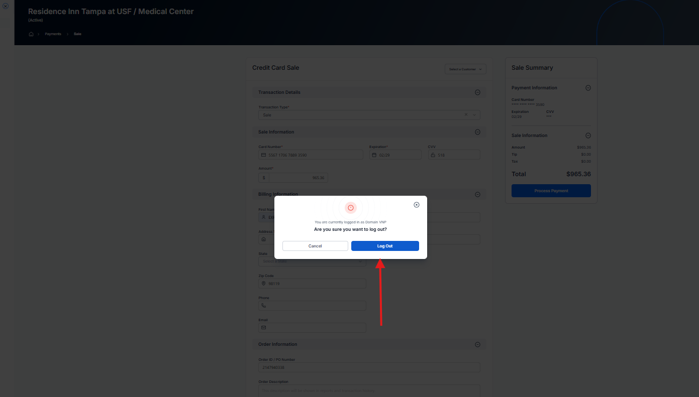
QP Charging Procedure |  |  | URL
Step | Instruction |  | https://gateway.quantumepay.com/
Step 1 | Log in to the Quantum Pay (QP) portal using your assigned username and password.



Step 2 | Retrieve the verification code sent to Domains@vnpsolutions.com and complete login.



Step 3 | Select 'Quick Sale' to begin the payment process.

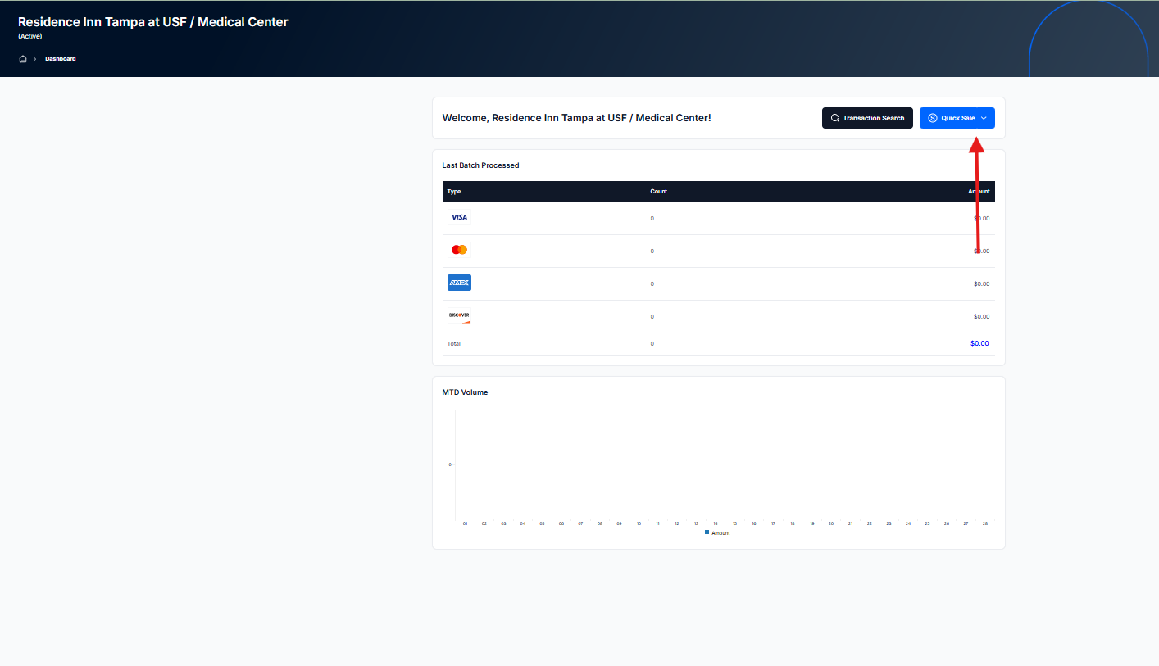

Step 4 | Complete all required fields carefully and verify accuracy.
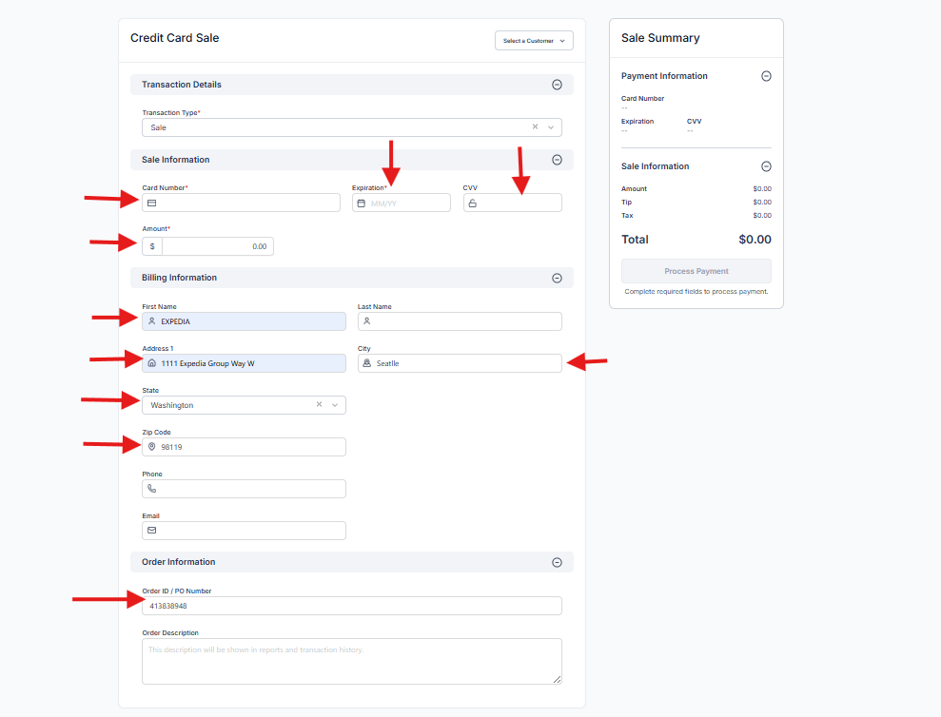

 |  | Sale Information :- | Card Number , Expiration (MM/YY), CVV, Amount
 |  | Billing Information :- | First Name - Expedia Group, Address - 1111 Expedia Group Way W, City - Seatlle, State - WA Zip Code - 98119
 |  | Order Infromation :- | Order ID/PO Number - Reservation ID

Step 5 | Click 'Process Payment' to submit the transaction.

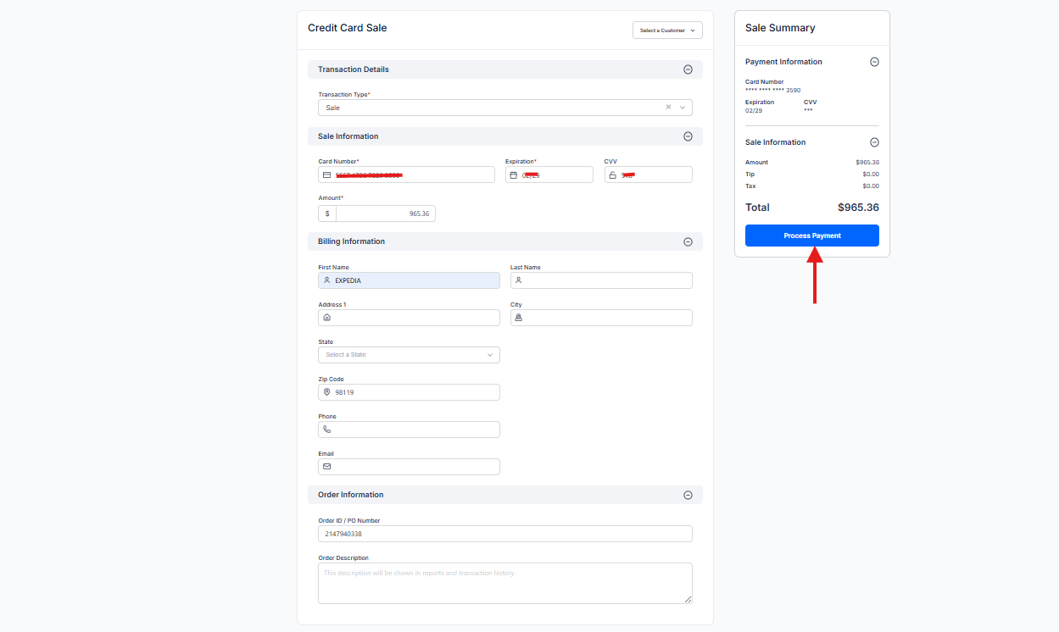

Step 6 | Once approved, click 'Cancel' to exit and proceed to the next reservation.

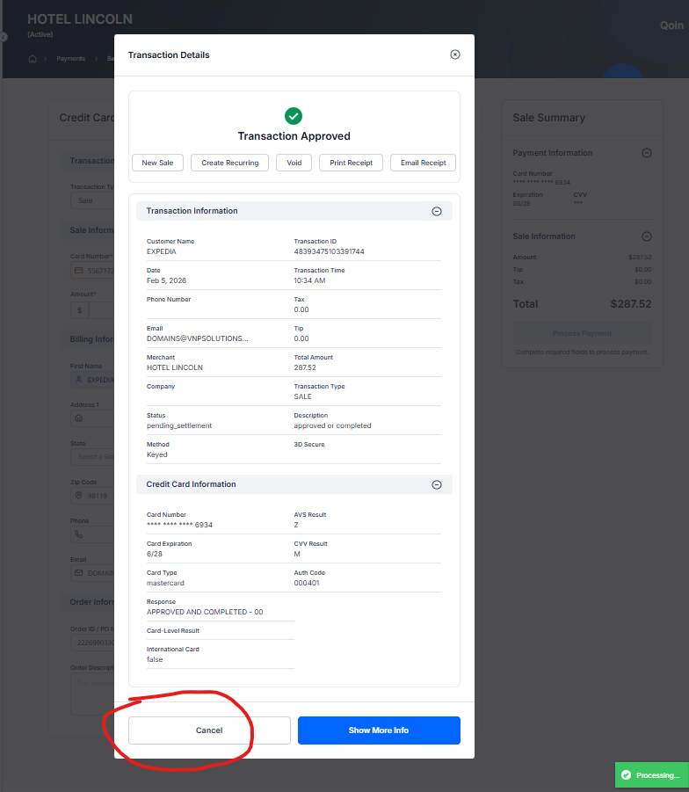
 |  | Transaction Approved :- | Collected
 |  | Transaction Declined :- | Declined

 |  | Please update the Associate Charge Status for each reservation

Step 7 | To switch accounts, use the Domain (VNP) option and sign out.

Process
Hotel Name | ReservationID | Currency | Amount to charge | Card last 12 | Card Expire MM/YY | Card CVV | Associte Charge Status-Collected or Declined or Logged Out | Expedia Descriptor | Quantam Pay Log In | QP Password | Name | Address | City | State | Zip Code
The Westin Huntsville | 2354335612 | USD | 21.67 | 5567173727765371 | 2028-12-01 | 089 | Collected | THE WESTIN HUNTSVILLE | 1877032VNP | Vnpllc2012! | Expedia Group | 1111 Expedia Group Way W | Seatlle | WA | 98119

Next Record

Previous Record
 |  |  |  |  |  |  |  | Next Record
 |  |  |  |  |  |  |  | Purpose: Load the next unprocessed record from the Data worksheet into the Process worksheet.

Previous Record
Purpose: Go back to the previous record if you made a mistake or clicked Next Record accidentally.

 |  |  |  |  | Key Notes / Best Practices
 |  |  |  |  | 1. Always enter a value in H2 before clicking Next Record. Otherwise, the macro will stop with a warning.
 |  |  |  |  | 2. The system automatically remembers the last processed row using a hidden pointer stored inside the file. You can close and reopen the file — it will resume where you left off.
 |  |  |  |  | 3. Do not insert or delete rows in the Data worksheet above your current pointer, as this will misalign the workflow.
 |  |  |  |  | 4. Use Previous Record carefully if you need to correct a row.
 |  |  |  |  | 5. Use Reset Process only if you intend to start over from row 2.
 |  |  |  |  | 5 - Workflow Example
Reset
 |  |  |  |  | 1. Open file.
 |  |  |  |  | 2. Click Next Record → loads row 2.
 |  |  |  |  | 3. Enter data in H2.
 |  |  |  |  | 4. Click Next Record → H2 saved to Data worksheet row 2, row 3 loaded.
Reset Process |  |  |  |  | 5. Repeat until all rows processed.
Purpose: Reset the workflow to start over from the first row. |  |  |  |  | 6. Accidentally clicked Next Record? → Click Previous Record to return.
 |  |  |  |  | 7. Want to start over? → Click Reset Process, then Next Record.

